Sheet1
What User See's | Sample Confusion a user See's | What's Really Happening. | What's Really Happening Example. | Comments
Ultimate Sources results return empty for a table.column | 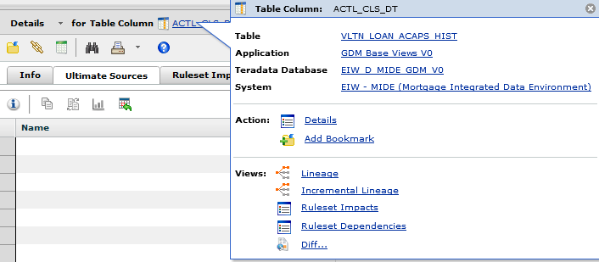 | This column was populated by hard-coded assignment inside of an executable like an Ab Initio Graph. The current version of the MDH will only show an ultimate sources result if the query for an ultimate source ends at a dataset type. Known working dataset types showing up as an ultimate source are Cobol files, database tables, NDM flat files | 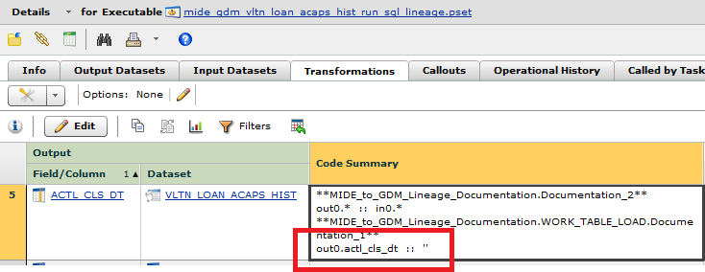 In this case ultimate sources dead ended inside a mapping inside an executable. | 12/12/2016 : It would be nice if we created a lineage report we could point users to which would tell them if a column's ultimate source is inside a mapping inside a graph. They could run it to double check the output of the ultimate sources tab.
Graphical Lineage Seems to End Indefinitely at an Ab Initio Job. | 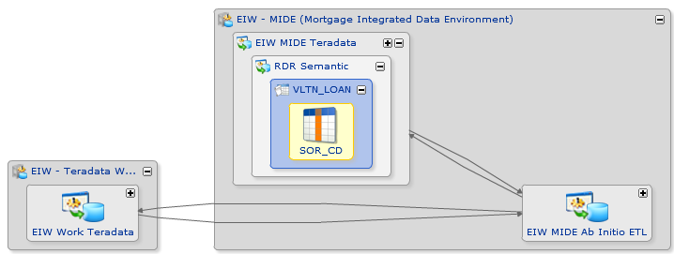 | This column was populated by hard-coded assignment inside of an executable like an Ab Initio Graph. The current version of the MDH will only show an ultimate sources result if the query for an ultimate source ends at a dataset type. Known working dataset types showing up as an ultimate source are Cobol files, database tables, NDM flat files | 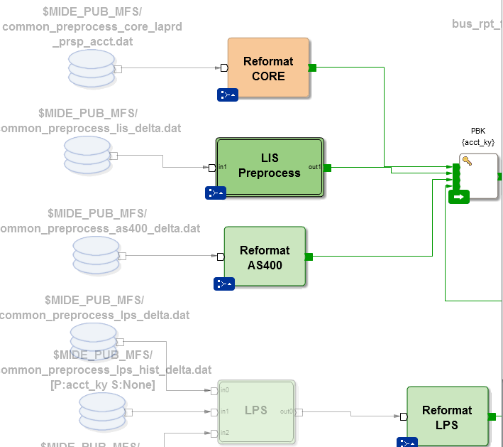 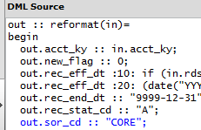 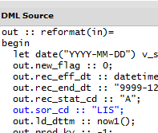 There is a graph which uses 4 sources of input. After connecting each source of input, it hard-codes information to describe the dataset being used.
Graphical Lineage Seems to not exist at all. | 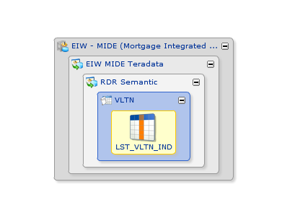 | The column in the table or view which we are drawing lineage for is defined with conditional logic . | ,CASE WHEN (RANK() OVER(PARTITION BY appr.ACCT_KY ORDER BY appr.APPR_RCV_DT DESC ,appr.LD_DTTM DESC ,CASE WHEN appr.APPR_USE_FOR_DCSN_IND = 'Y' THEN 1 ELSE 0 END DESC ,CASE WHEN appr.APRS_VAL_AMT > 0 THEN 1 ELSE 0 END DESC )) = 1 THEN 'Y' ELSE 'N' END The graphical lineage results do not go anywhere because they've decided they can be either 'Y' or 'N'. The MDH user (you) can see that there is obviously more to this Y and N decision tree, and would like to see the systems that make up the columns used in the decision tree. This can be done by clicking filters and selecting include control flows. | 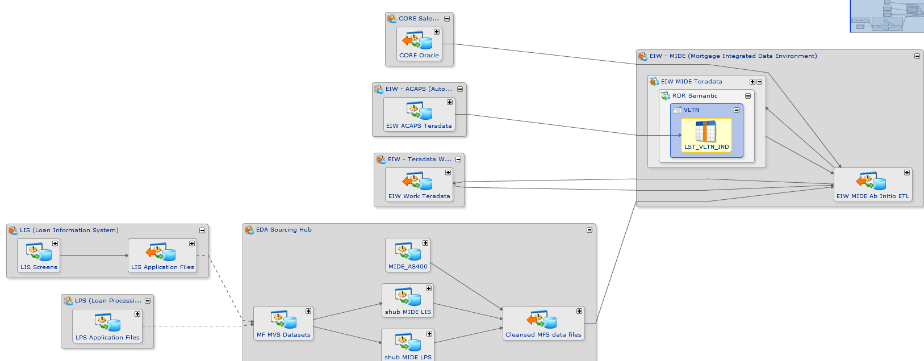 This is how the earlier non-lineage results will look now, after you have decided to draw out the lineage of support columns used in the decision making process of the target column.
 | Rush data was part of one time history load to some of the QM/ATR views/columns and because of this reason we will not be seeing any lineage/ultimate source with Rush database 12/12/2016 : LOU : *This is a good specific example but we need pictures here. For a non-team member this row doesn't help us enough. | EOC_HIGH_COST_MRTG_TST | APPL_RCV_DT EOC_TST_DTTM LST_TST_IND NTFY_STRT_DT
 |  | EOC_QM_TST | APPL_RCV_DT EOC_TST_DTTM LST_TST_IND NTFY_STRT_DT

